Entity Relationship
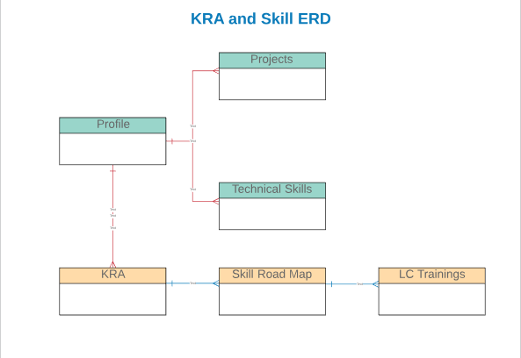

Approval Process
Process Name | Dependent Object | Flow Chart | Logic
Skill Approval | Skill Road Map | 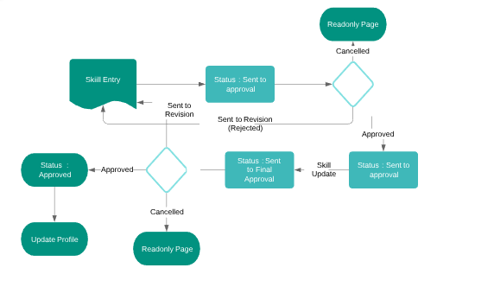 | 1.Skill will be entered by Employee and status will be Not started. 2.Employee clicks the initial approval then status will change to Sent to Approval 3. Manager Approves the compentency request then Status will be Inprogress. 4. Employee will then request for Final approval by clicking Final Approval button. The status will change to Inprogress - Final Approval 5. Manager Approves the competency request. The Status will change to Approved. 6.The competency & its tenure will be added to Profile. 7.If Manager Rejects , then employee will receive a mail and fields will be editable. Email & Chatter request will be received for the same. 8.If Manager Rejects the Competency , then employee will recieve the mail stating the same. 9. Manager cancel the request (By clicking Cancel button at anypoint of time). The Status will be changed to Cancelled and field will remain as read only for Employee.
KRA Approval | KRA |  | 1.Once Employee submits the KRA , the status will be changed from Not Started to Sent to Approval. Email has sent to Immediate manager and Employee. 2. Sent for Revision. Email has to sent to Immediate manager and Employee. 3. Once Manager Approves KRA then Status will be Approved. Email has to sent to Immediate manager and Employee.

